Indices

 | Iraq Stock Exchange
 | Bulletin No (68)
 | ISX Trading Indices of Tuesday 21/4/2026

 | Traded Volume and OTC |  | 1,340,195,130 |  | Traded Value and OTC |  | 916,323,046 |  | Traders | 976

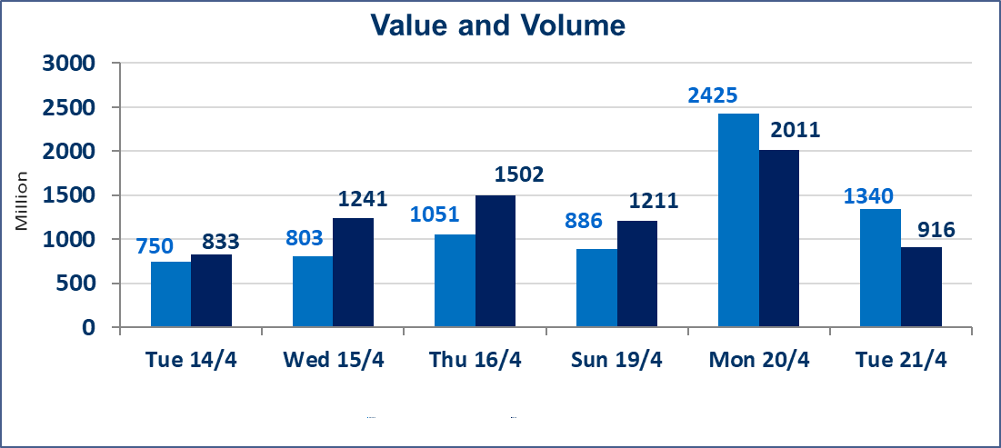
 | ISX Index 60 |  |  | 990.83 | ISX Index 15 |  |  | 1290.10
 | Previous ISX Index60 |  |  | 990.77 | Previous ISX Index15 |  |  | 1287.67
 | Change % |  |  | 0.01 | Change % |  |  | 0.19
 | Change |  |  | 0.06 | Change |  |  | 2.43

 | Listed Companies | 104 | OTC | 14 | Non Traded listed | 48 | OTC | 13
 | Traded Listed Companies | 47 | OTC | 1 | Higher Companies |  |  | 13
 | GAM Companies |  |  | 1 | Lower Companies |  |  | 10
 | Suspended Companies |  |  | 8
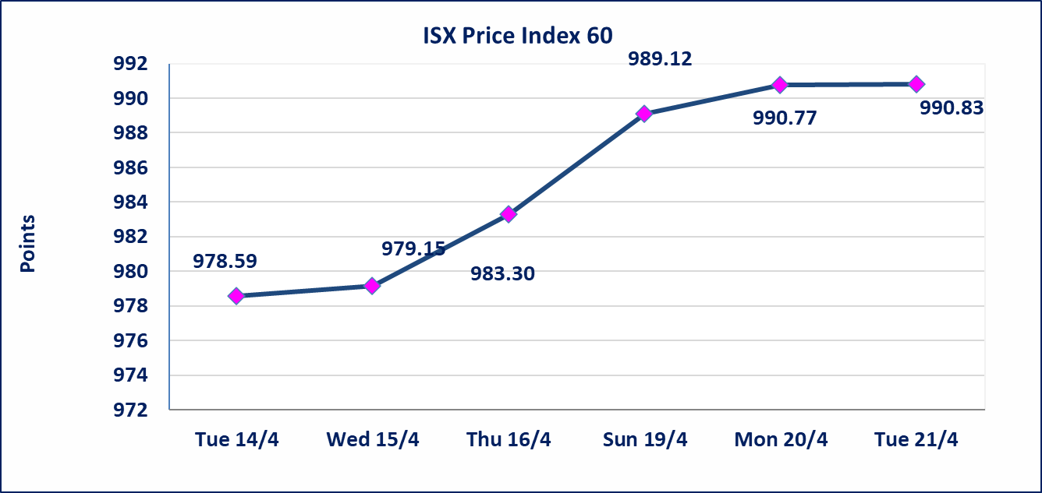
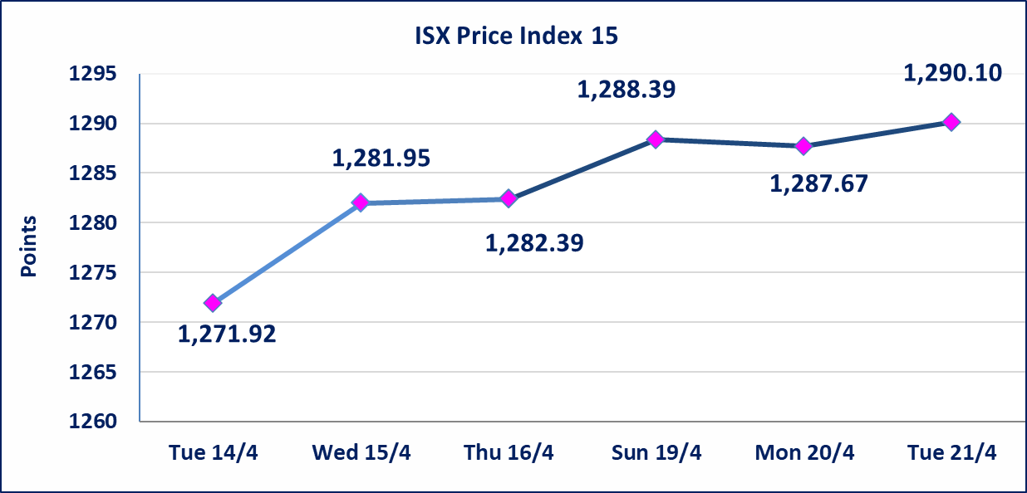

Al-Alwiya P.O . 3607 Mobile: 07711211522 - 07270094594 - 07834000034 E-mail: info-isx@isx-iq.net Web site:www.isx-iq.net

Top 5
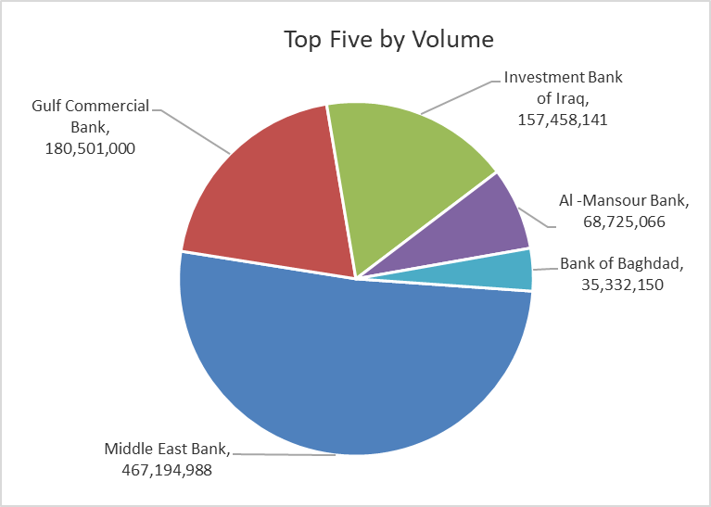
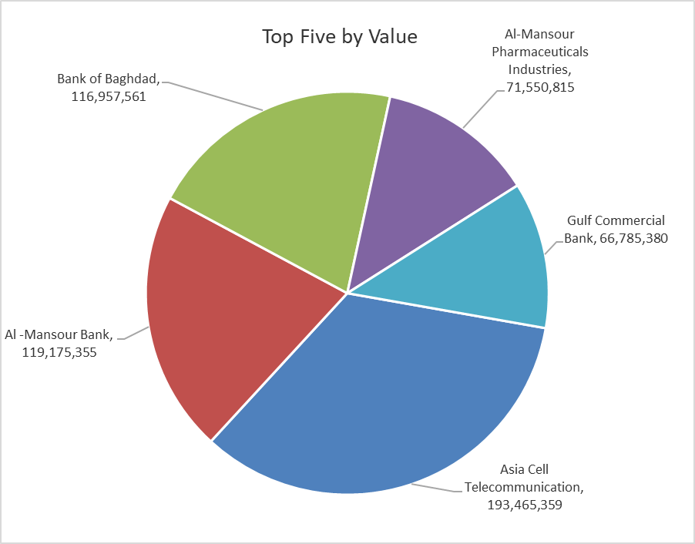

ISX top ganing and losing companies
Tuesday 21/4/2026
 | Gainers |  |  |  | Losers
 | Company Name | Closing Price | Change (%) | Traded Volume | Company Name | Closing Price | Change (%) | Traded Volume
 | Iraqi Islamic Bank | 1.080 | 4.85 | 34,722,250 | Sumer Commercial Bank | 0.190 | -5.00 | 29,081,467
 | Economy Bank | 0.220 | 4.76 | 17,839,937 | Al-Ameen Estate Investment | 1.740 | -3.87 | 2,198,016
 | Babil Animal & Vegetable Production | 9.920 | 4.64 | 197,796 | Mamoura Realestate | 3.200 | -1.84 | 500,000
 | National Islamic Bank | 1.000 | 4.17 | 100,000 | Iraqi Carton Manufactories | 2.590 | -1.52 | 636,239
 | AL-Badia for General Trans | 1.150 | 3.60 | 5,947,331 | Al-Khatam Telecom | 3.650 | -1.35 | 312,064
 | The most active companies in term of traded volume and value

 | Traded Volume |  |  |  | Traded Value
 | Company Name | Closing Price | Change (%) | Traded Volume | Company Name | Closing Price | Change (%) | Traded Value
 | Middle East Bank | 0.110 | 0.00 | 467,194,988 | Asia Cell Telecommunication | 16.550 | 1.10 | 193,465,359
 | Gulf Commercial Bank | 0.380 | 0.00 | 180,501,000 | Al -Mansour Bank | 1.740 | 0.00 | 119,175,355
 | Investment Bank of Iraq | 0.220 | 0.00 | 157,458,141 | Bank of Baghdad | 3.310 | -1.19 | 116,957,561
 | Al -Mansour Bank | 1.740 | 0.00 | 68,725,066 | Al-Mansour Pharmaceuticals Industries | 2.230 | 1.36 | 71,550,815
 | Bank of Baghdad | 3.310 | -1.19 | 35,332,150 | Gulf Commercial Bank | 0.380 | 0.00 | 66,785,380

Non Iraqi

Iraq Stock Exchange
Non Iraqis' Bulletin Tuesday April 21 2026
Regular Market

Non Iraqi Trading of Regular Market (Sell)
Company Names | Code | No.of trades | Traded Shares | Trading Volume
Banks Sector
Al-Mansour Bank | BMNS | 6 | 2,000,000 | 3,470,000
Total Bank sector |  | 6 | 2,000,000 | 3,470,000
Grand Total |  | 6 | 2,000,000 | 3,470,000

Not Trading Bonds

Iraq Stock Exchange
Tuesday 21/4/2026
Not Trading Bonds Bulletin
Bond type | Publish type | Code | last trading price | immortilize date
Banaa Bonds /Million ID | Second | CB20 | 964,981 | 19/12/2025
Eamar Bonds /Million ID | First | CB30 | 1,001,095 | ــــــــــــــــ
Eamar Bonds /Million ID | Second | CB40 | ــــــــــــــــ | ــــــــــــــــ
Eamar Bonds /500 Thousand ID | Third | CB45 | ــــــــــــــــ | ــــــــــــــــ
Eamar Bonds /Million ID | Third | CB50 | ــــــــــــــــ | ــــــــــــــــ
Injaz Bonds /500 Thousand ID | First | CB55 | ــــــــــــــــ | ــــــــــــــــ
Injaz Bonds /Million ID | First | CB60 | 951,110 | ــــــــــــــــ
Injaz Bonds /500 Thousand ID | Second | CB65 | 507,301 | ــــــــــــــــ
Injaz Bonds /Million ID | Second | CB70 | 965,050 | ــــــــــــــــ
Injaz Bonds /500 Thousand ID | Third | CB75 | ــــــــــــــــ | ــــــــــــــــ
Injaz Bonds /Million ID | Third | CB80 | 978,182 | ــــــــــــــــ
National Bonds/Million ID | First | CB90 | ــــــــــــــــ | ــــــــــــــــ
National Bonds/500 Thousand ID | Second | CB95 | ــــــــــــــــ | ــــــــــــــــ
National Bonds/Million ID | Second | CB100 | ــــــــــــــــ | ــــــــــــــــ

